WACC
WACC

Input Data

Cost of Debt | 1.69%
Tax Rate | 21.00%
Amount of Debt Outstanding | $140,118,000
Risk-free Rate of Return | 4.1% | First Method | Second Method
Required Return of the Market |  | 12.18% | 14.70%
Stock Price | $129.78
Shares Outstanding | 10,250,000

List of Comparable Companies
Company | Levered Beta | Debt | Equity | Debt / Equity | Tax Rate | Unlevered Beta
Company 1 | 1.44 | $570 | $1,420 | 0.40 | 0.33 | 1.13
Company 2 | 1.35 | $290 | $940 | 0.31 | 0.33 | 1.12
Company 3 | 1.22 | $520 | $870 | 0.60 | 0.28 | 0.85
Company 4 | 1.54 | $490 | $1,400 | 0.35 | 0.35 | 1.25
Company 5 | 1.49 | $690 | $999 | 0.69 | 0.35 | 1.03
Company 6 | 1.34 | $710 | $1,240 | 0.57 | 0.35 | 0.98
Company 7 | 1.49 | $590 | $1,250 | 0.47 | 0.35 | 1.14
Average | 1.41 |  |  | 0.49 |  | 1.06

Output

Step 1: Calculate the weight of debt and equity

Weight of Debt | 10%
Weight of Equity | 90% | 0.11
TOTAL | 100%

Step 2: Calculate the cost of equity
 | First Method | Second Method
Levered Beta | 1.15 | 1.326

Cost of Equity | 14.83%

Step 3: Calculate the after-tax cost of debt

After-tax cost of debt | 1.33%

Step 4: Calculate the weighted average cost of capital (WACC)

WACC | 13.55%

Cost of Debt
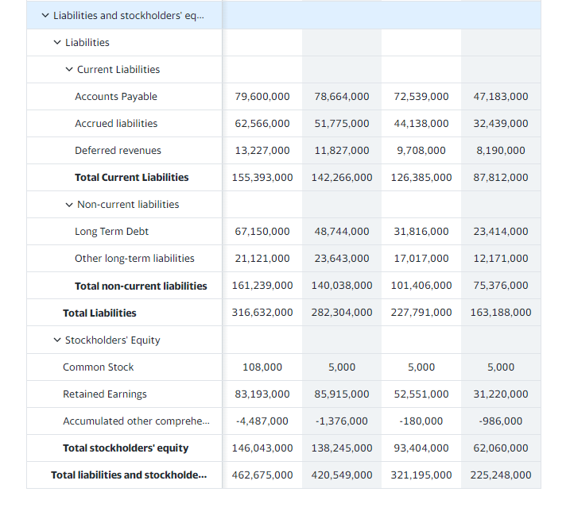
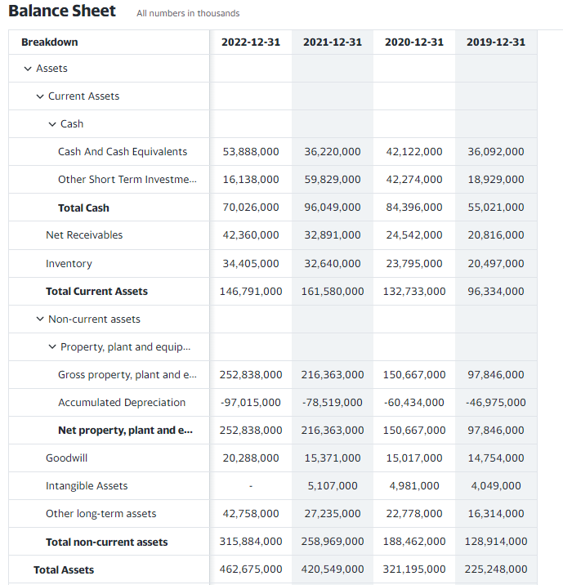
1) Calculating cost of debt
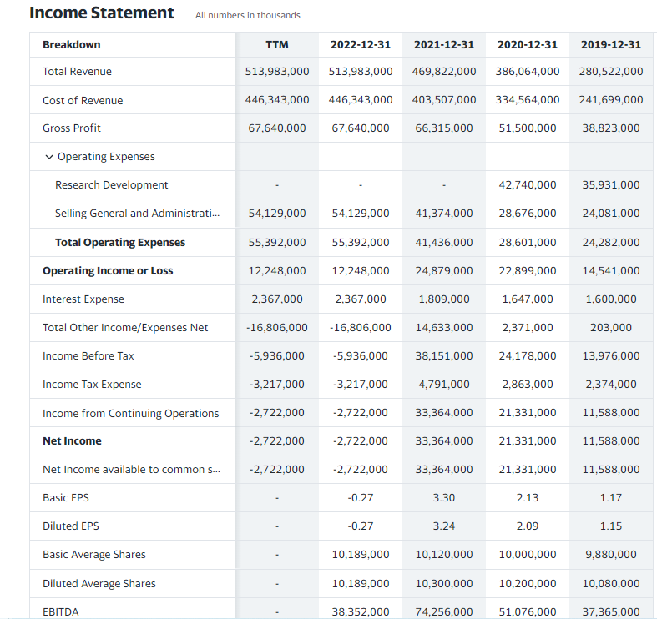
 | Short term & Current maturity of long term debt | -
 | Long-term debt | 140,118,000
 | Total Debt | 140,118,000
 | Interest paid | 2,367,000

 | Interest rate | 1.69%

2) Caluclating the tax rate
 |  | 2,022
 | Income before taxes | (5,936,000)
 | Income after taxes | (3,217,000)
 | Tax rate | 21.00%

10 year bond yield
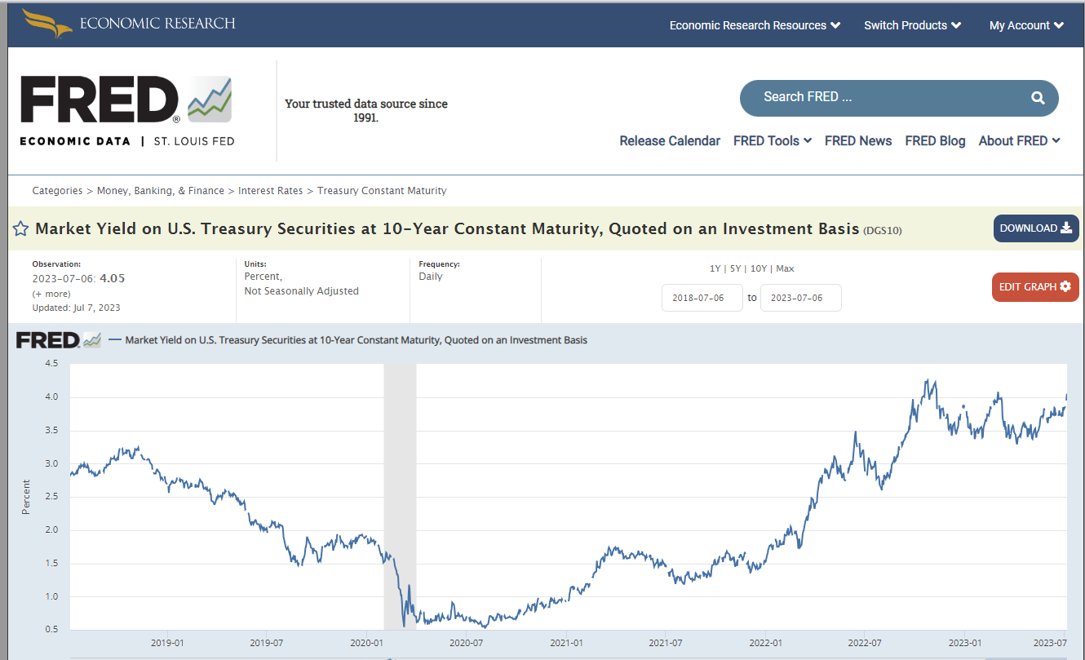
https://fred.stlouisfed.org/series/DGS10 | 10 Year treasury yield | 4.05%

